AsIs - ToBe
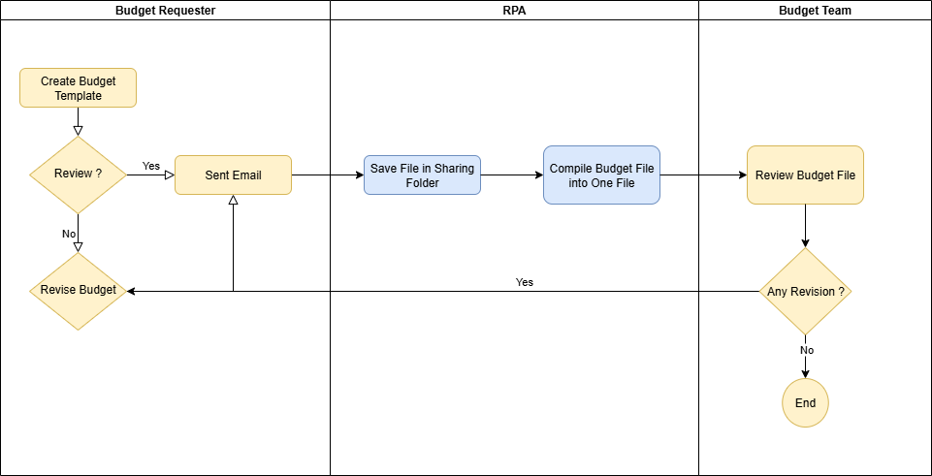
As Is
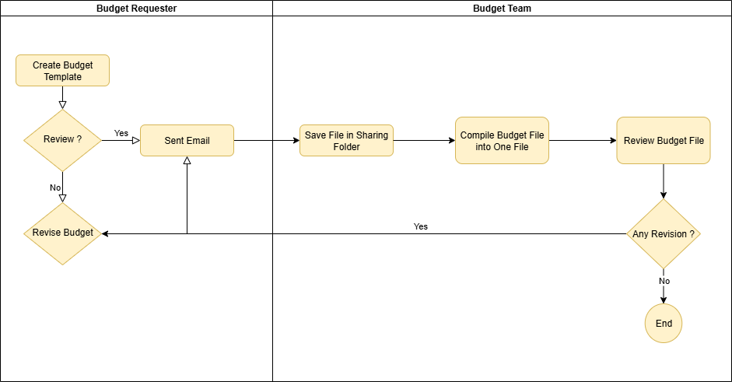

To Be

RPA Process
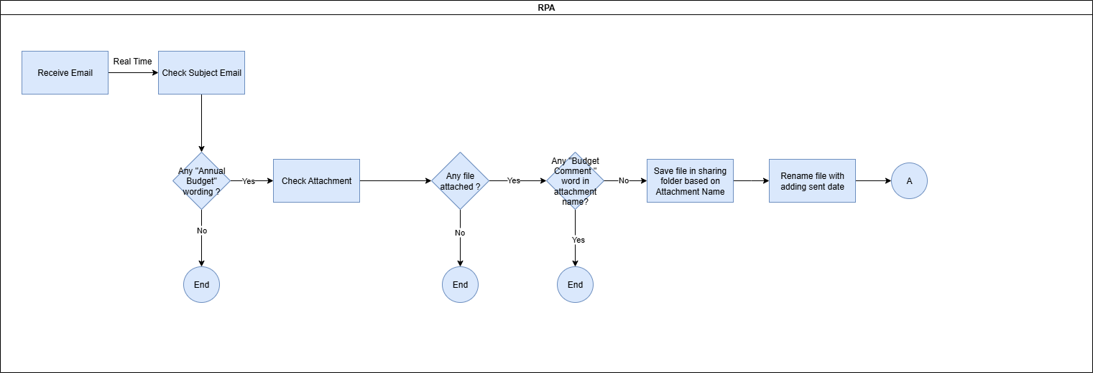

 |  |  | Condition :
 |  |  | Subject Email : | Annual Budget_FAM_2026
 |  |  | Attachment : | Annual Budget_FAM_2026
 |  |  | Sheet name : | Opex Budget Detail
 |  |  |  | Capex Budget Detail
 |  |  |  | COGM Budget Detail

 |  |  | Save file :
 |  |  |  | 2026 >> Department Name

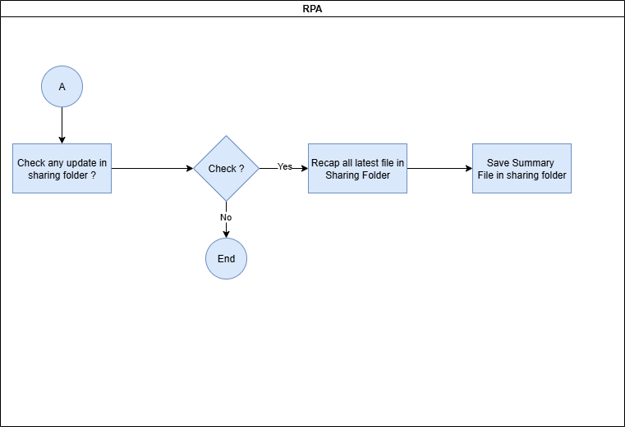

Compile : | Create file Opex Budget file

 | Create file Capex Budget file

 | Create file COGM Budget file

 | Definisi | Sheet yang ada
 | HO | Opex, Capex
 | BU and SU | COGM, Capex

 | HO | Finance
 |  | IT

 | BU & SU | BP1
 |  | LSM
 |  | SMS
 |  | SUA
 |  | SU B

